Sheet1
Question 1

 |  | Runtime Comparison:

 |  | N (x-axis) | Time (microseconds) (y-axis)
 | 1 | 2 | 2985
 | 2 | 3 | 11968
 | 3 | 4 | 20943
 | 4 | 5 | 39892
 | 5 | 6 | 40889
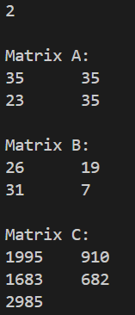
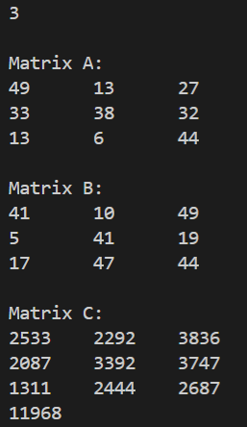
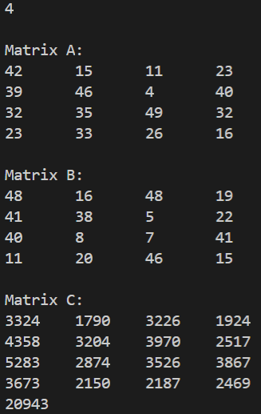

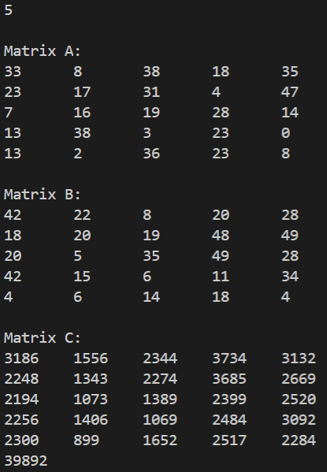
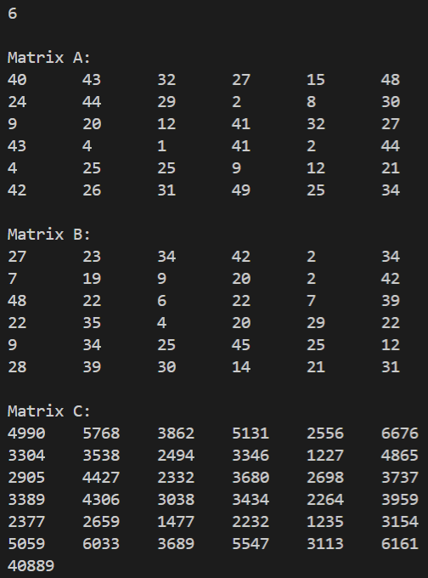

 |  | Inference
 |  | An accurate graph for the above scenario cannot be plotted as the test values taken were random and not uniform.
 |  | This makes the execution consideribly incomparable as a matrix with small value of N can take more time than a matrix with higher value simply
 |  | due to having large numbers to multiply in case of small matrix and very small numbers to multiply in case of large matrix.

 |  | Can it be Improved?

 |  | 1) It definitely can be improved by having parallel programming .
 |  | 2) It can be improved by optimizing the program either by using lesser number of variables or using the -Olevel flag in the g++ command.
 |  | 3) After some Internet browsing, I found that there is Block(Tiled) Matrix Multiplication algorithm (Divide and Conquer) which has a time complexity of n^2 instead of n^3.

